PS8
MCQ
a) |  | S |  |  | I
 |  | 0.75 | 0.2 |  | 0.5 | 0.2
 |  | 0.25 | -0.2 |  | 0.5 | -0.1

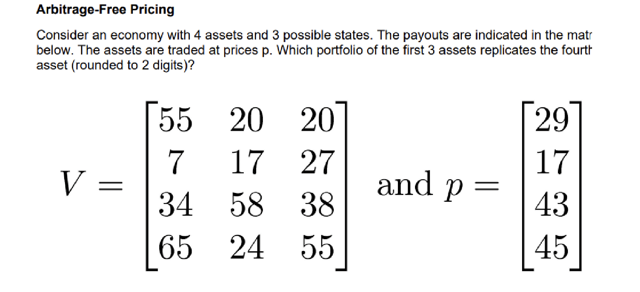
 |  | 0.1 |  |  | 0.05

b) | This one has two methods

 | a |  | V
 | 0.09 |  | 0.29 | 1
 | 0.13 |  | 0.55 | 1

 | 0.15384615385
 | 0.045384615385

 | Second approach

 | 0.15384615385

c)
 | 55 | 20 | 20 |  | 29
 | 7 | 17 | 27 |  | 17
 | 34 | 58 | 38 |  | 43
 | 65 | 24 | 55 |  | 45

 | Weights
 | 1.31 | 1.91 | -0.60

 | Price
 | 44.711780488
Exercise 1 |  |  |  |  | Prob
a) |  | P1 | 141.494 |  | 0.5
 |  | P2 | 182.105 |  | 0.5

 |  | wacc | 0.2
 |  | Investment | 100.368
 |  | risk-free | 0.05

 |  | 34.464916667

b) |  | The price of the firm is equal to the present value future cashflows

c) |  | If the initial investement is raisd through debt, then investors will get either

 | Bad | 36.1076
 | Good | 76.7186

 | The value in MM is the same as above:
 | 134.83291667

Exercise 2
a)
 |  | Bad state | Good state
 | Payoff (mDKK) | 50.00 | 100.00
 | Probabilities, q | 40% | 60%
 | Pricing vector, d | 45% | 50%

 |  |  |  |  |  |  |  |  |  |  | It does not matter who the CFs end up at, as long as
 | P | Creditors |  | Equity |  |  |  | Debt | Equity | Value |  | P | Creditors |  | Equity |  | P | Creditors |  | Equity
 |  | Bad | Good | Bad | Good |  | P | D | E | D + E |  |  | Bad | Good | Bad | Good |  | Exp. Return | Volatility | Exp. Return | Volatility
 | 0 | 0.00 | 0.00 | 50.00 | 100.00 |  | 0 | 0 | 72.5 | 72.5 |  | 0 | #DIV/0! | #DIV/0! | -31.03% | 37.93% | 0 | 0.00 | 0.00 | 0.10 | 0.34
 | 5 | 5.00 | 5.00 | 45.00 | 95.00 |  | 5 | 4.75 | 67.75 | 72.5 |  | 5 | 5.26% | 5.26% | -33.58% | 40.22% | 5 | 0.05 | 0.00 | 0.11 | 0.36
 | 10 | 10.00 | 10.00 | 40.00 | 90.00 |  | 10 | 9.5 | 63 | 72.5 |  | 10 | 5.26% | 5.26% | -36.51% | 42.86% | 10 | 0.05 | 0.00 | 0.11 | 0.39
 | 15 | 15.00 | 15.00 | 35.00 | 85.00 |  | 15 | 14.25 | 58.25 | 72.5 |  | 15 | 5.26% | 5.26% | -39.91% | 45.92% | 15 | 0.05 | 0.00 | 0.12 | 0.42
 | 20 | 20.00 | 20.00 | 30.00 | 80.00 |  | 20 | 19 | 53.5 | 72.5 |  | 20 | 5.26% | 5.26% | -43.93% | 49.53% | 20 | 0.05 | 0.00 | 0.12 | 0.46
 | 25 | 25.00 | 25.00 | 25.00 | 75.00 |  | 25 | 23.75 | 48.75 | 72.5 |  | 25 | 5.26% | 5.26% | -48.72% | 53.85% | 25 | 0.05 | 0.00 | 0.13 | 0.50
 | 30 | 30.00 | 30.00 | 20.00 | 70.00 |  | 30 | 28.5 | 44 | 72.5 |  | 30 | 5.26% | 5.26% | -54.55% | 59.09% | 30 | 0.05 | 0.00 | 0.14 | 0.56
 | 35 | 35.00 | 35.00 | 15.00 | 65.00 |  | 35 | 33.25 | 39.25 | 72.5 |  | 35 | 5.26% | 5.26% | -61.78% | 65.61% | 35 | 0.05 | 0.00 | 0.15 | 0.62
 | 40 | 40.00 | 40.00 | 10.00 | 60.00 |  | 40 | 38 | 34.5 | 72.5 |  | 40 | 5.26% | 5.26% | -71.01% | 73.91% | 40 | 0.05 | 0.00 | 0.16 | 0.71
 | 45 | 45.00 | 45.00 | 5.00 | 55.00 |  | 45 | 42.75 | 29.75 | 72.5 |  | 45 | 5.26% | 5.26% | -83.19% | 84.87% | 45 | 0.05 | 0.00 | 0.18 | 0.82
 | 50 | 50.00 | 50.00 | 0.00 | 50.00 |  | 50 | 47.5 | 25 | 72.5 |  | 50 | 5.26% | 5.26% | -100.00% | 100.00% | 50 | 0.05 | 0.00 | 0.20 | 0.97
 | 55 | 50.00 | 55.00 | 0.00 | 45.00 |  | 55 | 50 | 22.5 | 72.5 |  | 55 | 0.00% | 10.00% | -100.00% | 100.00% | 55 | 0.06 | 0.05 | 0.20 | 0.97
 | 60 | 50.00 | 60.00 | 0.00 | 40.00 |  | 60 | 52.5 | 20 | 72.5 |  | 60 | -4.76% | 14.29% | -100.00% | 100.00% | 60 | 0.07 | 0.09 | 0.20 | 0.97
 | 65 | 50.00 | 65.00 | 0.00 | 35.00 |  | 65 | 55 | 17.5 | 72.5 |  | 65 | -9.09% | 18.18% | -100.00% | 100.00% | 65 | 0.07 | 0.13 | 0.20 | 0.97
 | 70 | 50.00 | 70.00 | 0.00 | 30.00 |  | 70 | 57.5 | 15 | 72.5 |  | 70 | -13.04% | 21.74% | -100.00% | 100.00% | 70 | 0.08 | 0.17 | 0.20 | 0.97
 | 75 | 50.00 | 75.00 | 0.00 | 25.00 |  | 75 | 60 | 12.5 | 72.5 |  | 75 | -16.67% | 25.00% | -100.00% | 100.00% | 75 | 0.08 | 0.20 | 0.20 | 0.97
 | 80 | 50.00 | 80.00 | 0.00 | 20.00 |  | 80 | 62.5 | 10 | 72.5 |  | 80 | -20.00% | 28.00% | -100.00% | 100.00% | 80 | 0.09 | 0.24 | 0.20 | 0.97
 | 85 | 50.00 | 85.00 | 0.00 | 15.00 |  | 85 | 65 | 7.5 | 72.5 |  | 85 | -23.08% | 30.77% | -100.00% | 100.00% | 85 | 0.09 | 0.26 | 0.20 | 0.97
 | 90 | 50.00 | 90.00 | 0.00 | 10.00 |  | 90 | 67.5 | 5 | 72.5 |  | 90 | -25.93% | 33.33% | -100.00% | 100.00% | 90 | 0.10 | 0.29 | 0.20 | 0.97
 | 95 | 50.00 | 95.00 | 0.00 | 5.00 |  | 95 | 70 | 2.5 | 72.5 |  | 95 | -28.57% | 35.71% | -100.00% | 100.00% | 95 | 0.10 | 0.32 | 0.20 | 0.97
 | 100 | 50.00 | 100.00 | 0.00 | 0.00 |  | 100 | 72.5 | 0 | 72.5 |  | 100 | -31.03% | 37.93% | #DIV/0! | #DIV/0! | 100 | 0.10 | 0.34 | 0.00 | 0.00

PS11
Exercise 2
 |  |  |  | risk-free | 0.05
a) |  | 24 |  | Strike | 20
 | 20 | 16

 |  | v_c | v_p |  | 24 | 16
 |  | 4 | 0 | V | 1 | 1
 |  | 0 | 4

 | x^T | 0.5 | -8

 | Bond | 0.9523810 |  |  | Stock delta | 8
 | C_0 | 2.38

b) | Risk neutral probabilities
 | q | 0.625
 | 1-q | 0.375

 | C_0 | 2.38

 | Verified | TRUE

 | Put-call-Parity | P+S=C+Dis(K) |  | Thus | P=C-S+Dis(K)
 | Put Price | 1.43

 | Second approach
 | Put price | 1.43
 | Verified | TRUE

g)

 | Strat 1
 | ER | 0.05

 | Strat 2
 | S_0/C_0 | 8.4
 | ER | 0.05

h)
 | Beta market | 0.9
 | Beta of a call | 3.78

 | Beta of put | -6.3

 | Risk-free interest rate | 3%

 | State | Very Bad | Bad | Neutral | Good | Very Good
 | Probability | 0.1 | 0.2 | 0.4 | 0.2 | 0.1
 | Stock Value | 20 | 50 | 70 | 90 | 120

 | S0 = | $67.96

 | State | Very Bad | Bad | Neutral | Good | Very Good
 | Probability | 0.1 | 0.2 | 0.4 | 0.2 | 0.1
 | Stock Value | 20 | 50 | 70 | 90 | 120
 | Future Value of Call, K=69 | 0 | 0 | 1 | 21 | 51
 | Future Value of Call, K=70 | 0 | 0 | 0 | 20 | 50
 | Future Value of Call, K=71 | 0 | 0 | 0 | 19 | 49

 | C0, K=69 | $9.42
 | C0, K=70 | $8.74
 | C0, K=71 | $8.45

 | Buy 1 Call K=69

 | Need a combination of Call K=70 and K=71 that equals the future value of Call K=71 in the Good and Very Good state.

 | Solve xT V=vT for xT.

 | xT = | 2 | -1

 | Sell 2 Call K=70 and buy 1 Call K=71.

 | xT = | 1 | -2 | 1

 | vT = | 1 | 0 | 0

 | Risk-free price = | $0.39

 |  | Buy 1 Call, K=69 | Sell 2 Call, K=70 | Buy 1 Call, K=71 | Portfolio Payoff
 | 68 | 0 | 0 | 0 | 0
 | 69 | 0 | 0 | 0 | 0
 | 70 | 1 | 0 | 0 | 1
 | 71 | 2 | -2 | 0 | 0
 | 72 | 3 | -4 | 1 | 0

PS 12 Part II
 | r = | 2%
 | T = | 0.75
 | K = | 100
 | sigma = | 23%

a) | S | d1 | d2 | N(d1) | N(d2) | C | Intricinsic Value
 | 75 | -1.27 | -1.47 | 0.10 | 0.07 | 0.67 | 0.00
 | 80 | -0.95 | -1.14 | 0.17 | 0.13 | 1.35 | 0.00
 | 85 | -0.64 | -0.84 | 0.26 | 0.20 | 2.42 | 0.00
 | 90 | -0.35 | -0.55 | 0.36 | 0.29 | 3.98 | 0.00
 | 95 | -0.08 | -0.28 | 0.47 | 0.39 | 6.05 | 0.00
 | 100 | 0.17 | -0.02 | 0.57 | 0.49 | 8.64 | 0.00
 | 105 | 0.42 | 0.22 | 0.66 | 0.59 | 11.73 | 5.00
 | 110 | 0.65 | 0.45 | 0.74 | 0.68 | 15.25 | 10.00
 | 115 | 0.88 | 0.68 | 0.81 | 0.75 | 19.13 | 15.00
 | 120 | 1.09 | 0.89 | 0.86 | 0.81 | 23.32 | 20.00
 | 125 | 1.30 | 1.10 | 0.90 | 0.86 | 27.74 | 25.00
 | 130 | 1.49 | 1.29 | 0.93 | 0.90 | 32.33 | 30.00
 | 135 | 1.68 | 1.48 | 0.95 | 0.93 | 37.04 | 35.00
Call Value
b)

PS13
 | Risk-free rate = | 3%
 | Cost pr. Barrel | 48.00

 |  |  | 90
 |  |  | 60
 |  | 80 | 50
 | 60 | 40 | 30
 | p0 | p1 | p2

 |  |  | 74.7%
b) |  |  | 25.3%
 |  | 54.5% | 56.0%
 |  | 45.5% | 44.0%
 | q0 | q1 | q2

c) | Payoffs
 |  |  | 42.00
 |  |  | 12.00
 |  | 32.00 | 2.00
 |  | -8.00 | -18.00
 |  | Payoff1 | Payoff2

 | EV1 = | 13.80
 | EV2 = | 15.65 |  | Hint: You need to use all probabilities for EV2.

 | PV0 = | 28.15

d) | Shut down in D and DD.

e) | Payoffs
 |  |  | 42.00
 |  |  | 12.00
 |  | 32.00 | 2.00
 |  | 0.00 | 0.00
 |  | Payoff1 | Payoff2

 | EV1 = | 17.44
 | EV2 = | 19.26

 | PV0 = | 35.08

f) | Shut down in D

 | Payoffs
 |  |  | 42.00
 |  |  | 12.00
 |  | 32.00 | 0.00
 |  | 0.00 | 0.00
 |  | Payoff1 | Payoff2

 | EV1 = | 17.44
 | EV2 = | 18.75

 | PV0 = | 34.60

 | Shut down in DD

 | Payoffs
 |  |  | 42.00
 |  |  | 12.00
 |  | 32.00 | 2.00
 |  | -8.00 | 0.00
 |  | Payoff1 | Payoff2

 | EV1 = | 13.80
 | EV2 = | 19.26

 | PV0 = | 31.55

 | Choose D

a) |  |  | 200.00
 |  | 100.00 | 100.00
 | Rent | t=0 | T=5

 | Square Feet = | 67,643.66
 | Cost of Capital (Monthly) = | 0.95%

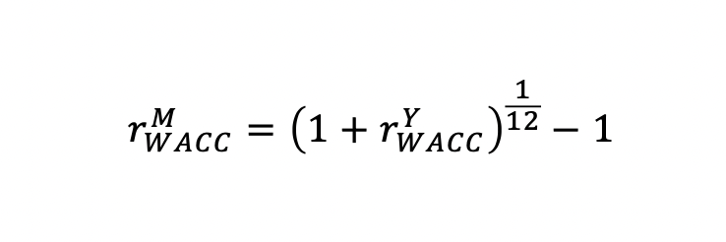
 | qup = | 50%
 | qdown = | 50%

 | EV in 5 Years = | 150.00

 | PV of Annuity = | 308,372,542.50
 | PV of Perpuity = | 606,760,490.66

 | PV of Income = | 915,133,033.16
 | PV of Cost = | 457,566,515.35

 | NPV = | 457,566,517.81

b) | Rent = | 100.00 | 200.00
 | Square Feet = | 52,693.74 | 105,387.48

 | PV of Perpetuity at Year 5 = | 555,326,073.98 | 2,221,304,295.91
 | PV of Cost at Year 5= | 277,663,036.92 | 1,110,652,147.68

 | NPV at Year 5= | 277,663,037.06 | 1,110,652,148.24

 | NPV at Year 0 = | 393,883,660.17

 | Build Today!

